15 - Regular Expressions
Regular Expressions

ssn | lastname | firstname | hiredate | salary | gender | performance | Report | Firstname | Rating
000-01-0000 | Milgrom | Patricia | 10/1/2004 | $57,500 | F | Average | Milgrom has 9.64 rating this year | Milgrom | 9.64
000-02-2222 | Adams | Sandy | 1/15/2001 | $19,500 | F | Average | Adams has 9.89 rating this year | Adams | 9.89
109-87-6543 | Wood | Emily | 3/12/1997 | $69,000 | F | Average | Wood has 5.69 rating this year | Wood | 5.69
109-87-6544 | Foster | Harold | 8/14/2005 | $55,000 | M | Good | Foster has 3.45 rating this year | Foster | 3.45
111-12-1111 | Johnson | James | 5/3/1996 | $47,500 | M | Good | Johnson has 3.38 rating this year | Johnson | 3.38
123-45-6789 | Coulter | Tracy | 2/14/1993 | $100,000 |  | Good | Coulter has 1.73 rating this year | Coulter | 1.73
222-23-2222 | Marlin | Bill | 3/28/1977 | $125,000 | M |  | Marlin has 8.28 rating this year | Marlin | 8.28
222-52-5555 | Smith | Mary | 1/1/2006 | $42,500 | F | Average | Smith has 5.57 rating this year | Smith | 5.57
245-67-8910 | Johanson | Sandy | 6/2/2005 | $69,000 | F |  | Johanson has 9.56 rating this year | Johanson | 9.56
333-34-3333 | Manin | Emily | 12/1/2000 | $49,500 | F | Average | Manin has 1.17 rating this year | Manin | 1.17
333-43-4444 | Smith | Frank | 1/29/1991 | $65,000 | M | Good | Smith has 1.06 rating this year | Smith | 1.06
333-66-1234 | Brown | Marietta | 3/7/2001 | $18,500 | F | Poor | Brown has 3.51 rating this year | Brown | 3.51
335-55-5533 | Jones | Holly | 4/8/1986 | $65,000 | F | Good | Jones has 4.93 rating this year | Jones | 4.93
432-19-8765 | Bronson | Paul | 11/20/2003 | $58,000 | M | Good | Bronson has 9.15 rating this year | Bronson | 9.15
444-45-4444 | Frank | Vernon | 4/10/1985 | $75,000 | M | Good | Frank has 5.35 rating this year | Frank | 5.35
464-64-4466 | Webster | David | 1/29/1991 | $58,500 | M | Poor | Webster has 9.59 rating this year | Webster | 9.59
500-50-0505 | Rodriguez | Jose | 7/16/1998 | $150,000 | M | Good | Rodriguez has 0.51 rating this year | Rodriguez | 0.51
555-22-3333 | Rubin | Patricia | 7/25/2003 | $45,000 | F | Average | Rubin has 6.22 rating this year | Rubin | 6.22
555-56-5555 | Charles | Kenneth | 6/18/1998 | $40,000 | M | Poor | Charles has 9.04 rating this year | Charles | 9.04
612-99-1111 | Roberts | Melissa | 5/14/1984 | $79,000 | F | Good | Roberts has 3.14 rating this year | Roberts | 3.14
625-62-6262 | Holmes | Holly | 6/15/1992 | $55,000 | F | Average | Holmes has 6.62 rating this year | Holmes | 6.62
767-74-7373 | Martin | William | 8/26/2006 | $23,000 | M | Good | Martin has 8.99 rating this year | Martin | 8.99
776-67-6666 | Adamson | David | 10/4/2002 | $52,000 | M | Poor | Adamson has 3.65 rating this year | Adamson | 3.65
777-78-7777 | Marder | Kelly | 9/25/1997 | $38,500 | F | Average | Marder has 7.37 rating this year | Marder | 7.37
925-45-7116 | Whitehead | David | 7/25/1980 | $175,000 | M | Good | Whitehead has 7.64 rating this year | Whitehead | 7.64

Regular Expression |  | h.+
I love hotdog | TRUE | hotdog | I like hotdog | hotdog
I love pizza | FALSE | Not found | I like pizza | pizza
I love Google | FALSE | Not found | I like Googlike | Google
I love hamberger | TRUE | hamberger | I like hamberger | hamberger
I love fried rice | FALSE | Not found | I like fried rice | fried rice
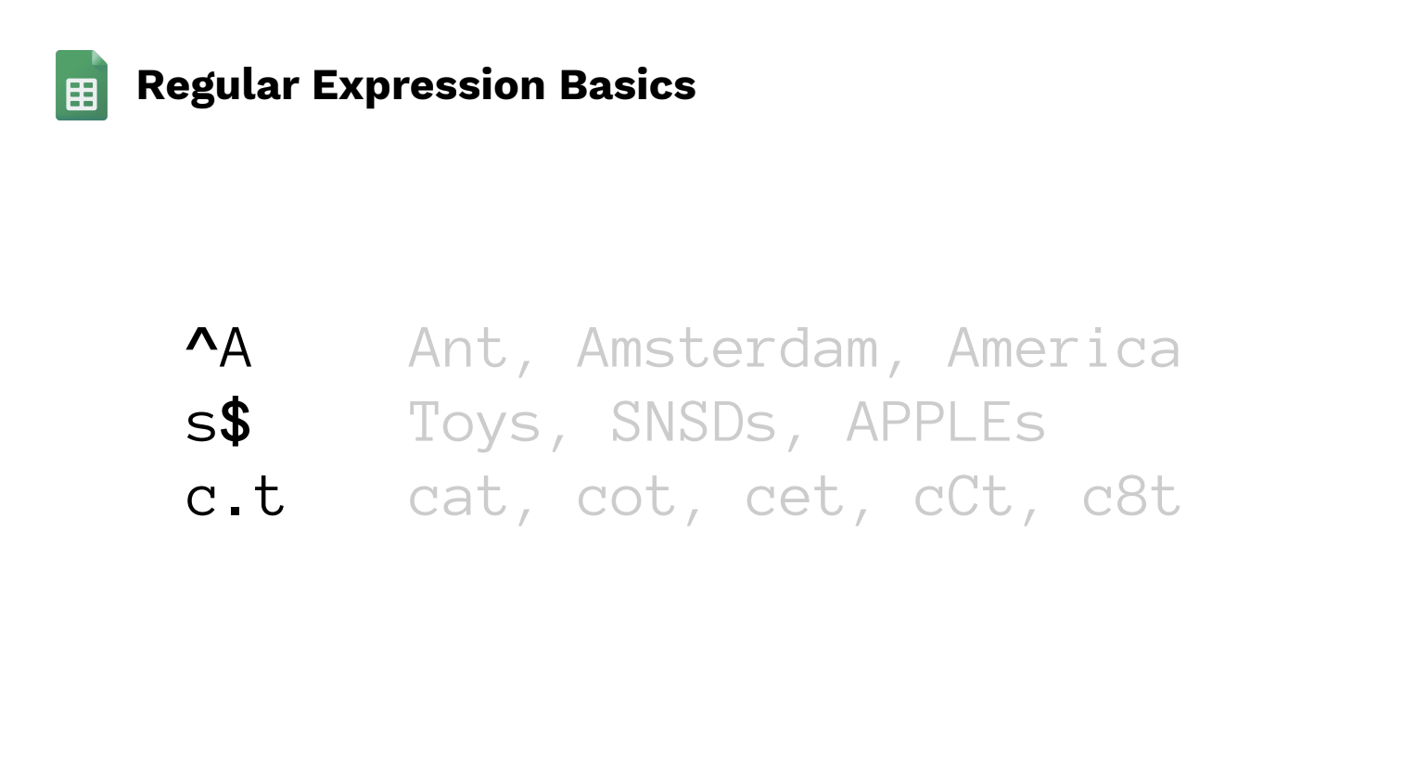
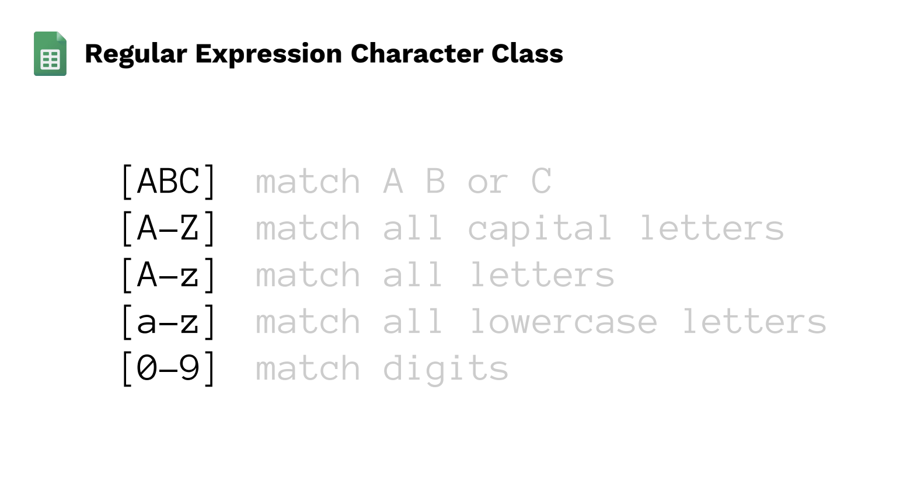
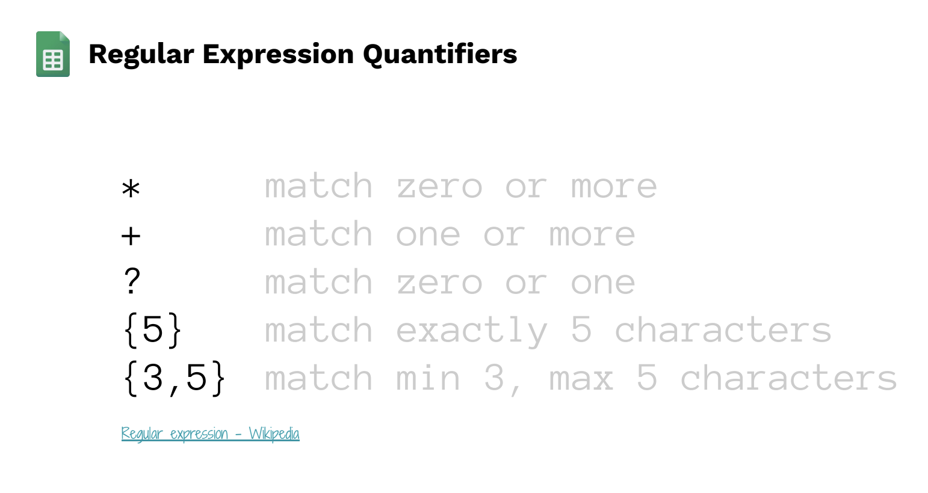

^[PJS] ==> Choose PJS
^[^PJS] ==> not PJS
\. ==> use dot

